EXPLR 10S
XO EXPLR 10S | VAT 0% | Units | 0 €
XO EXPLR 10S Cin 23 | 109,500 € | 0 | 0 €

EU VERSION | 0 € | 0 | 0 €
US / CANADA VERSION | 12,500 € | 0 | 0 €

ENGINE OPTIONS
XO EXPLR 10S with Mercury Verado 300V8 engines installed and tested | 139,000 € | 0 | 0 €
XO EXPLR 10S with Mercury Verado 350L6 engines installed and tested | 142,000 € | 0 | 0 €
XO EXPLR 10S with Mercury Verado 400L6 engines installed and tested | 145,000 € | 0 | 0 €
XO EXPLR 10S with Mercury Verado 450R engines installed and tested | 162,500 € | 0 | 0 €
XO EXPLR 10S with Twin Mercury 225hp V6 engines installed and tested | 161,500 € | 0 | 0 €
XO EXPLR 10S with Twin Mercury Verado 250hp V8 engines installed and tested | 164,500 € | 0 | 0 €
XO EXPLE 10S with Twin Mercury Verado 250hp V8 engines installed and tested with joystick control, auto pilot, Skyhook and active trimm | 185,000 € | 0 | 0 €
Mercury Verado/Fourstroke engines, Cold Fusion White for 350/400L6 (sing) | 1,100 € | 0 | 0 €
Mercury Verado/Fourstroke engines, Cold Fusion White 250/300V8 (sing) | 1,100 € | 0 | 0 €
Pre- rigg, Mercury Verado 6 or 8 - cyl (sing) | 5,500 € | 0 | 0 €
Pre- rigg, Mercury Verado 6 or 8 - cyl (twin) | 12,000 € | 0 | 0 €
XO EXPLR 10 with Yamaha 425 | 163,000 € | 0 | 0 €
XO EXPLR 10 with Twin Yamaha 225hp engines installed and tested | 166,500 € | 0 | 0 €
XO EXPLR 10 with Twin Yamaha 250hp engines installed and tested | 175,900 € | 0 | 0 €
XO EXPLR 10 with Twin Yamaha 250hp engines installed and tested with joystick and autopilot | 188,500 € | 0 | 0 €
Pre- rigg, Yamaha (sing) | 5,500 € | 0 | 0 €
Pre- rigg, Yamaha (twin) | 12,000 € | 0 | 0 €
Pre- rigg, Suzuki (sing) | 6,000 € | 0 | 0 €
Pre- rigg, Suzuki (twin) | 13,000 € | 0 | 0 €

STANDARD EQUIPMENT
ROOF WITH ONE PIECE MANUAL OPENING HATCH
LENCO MARINE TRIMPLATES
HYDRAULIC STEERING
HULL ACCENT, 3M CARBON COLOURS
SWIM PLATFORM with D-LIST ON THE SIDE OF THE HULL 1/2 WAY
BOW BUMPER

OPTIONS - NAVIGATION & BOAT HANDLING
SIMRAD NSS16 EVO3 + WITH CHART | 7,190 € | 0 | 0 €
SIMRAD NSS12 EVO3 + WITH CHART | 5,250 € | 0 | 0 €
SIMRAD NSX 12 + WITH CHART | 3,800 € | 0 | 0 €
SIMRAD HDI ECHOSOUNDER (includes fishfinder) | 410 € | 0 | 0 €
SIMRAD Al 3-in ECHOSAUNDER (includes fishfinder) | 710 € | 0 | 0 €
SIMRAD Halo20+ RADAR | 2,990 € | 0 | 0 €
VHF Simrad RS100B with AIS and antenna | 2,100 € | 0 | 0 €
VHF Simrad RS100B without AIS and antenna | 1,800 € | 0 | 0 €
COMPASS, Ritchie Explorer B-51 (black) | 269 € | 0 | 0 €
MENTE MARINE AUTOMATIC TRIMTAB CONTROL SYSTEM | 920 € | 0 | 0 €
BOW THRUSTER 2.0KW | 3,590 € | 0 | 0 €
MARINCO SEARCH LIGHT | 960 € | 0 | 0 €
HELLA Sea Hawk-470 LED, head light | 810 € | 0 | 0 €
HELLA Sea Hawk-470 LED, back light | 810 € | 0 | 0 €
ANCHOR WINCH IN FRONT INC. 7,5 KG ANCHOR, ROPE/ CHAIN COMPLETE SYSTEM | 5,400 € | 0 | 0 €
ANCHORING PACKAGE . 7,5 KG ANCHOR, CHAIN 3M, 30M ROPE AND CHACKLE | 870 € | 0 | 0 €
MOORING KIT SMALL, INC. XO BAG, 4 FENDERS, ROPES AND XO SOX, 4+1 MOORING ROPES, CARBINE HOOK | 790 € | 0 | 0 €
FLAGPOLE | 300 € | 0 | 0 €

OPTIONS - BOAT EQUIPMENT
ELECTRICAL ROOF HATCH | 4,800 € | 0 | 0 €
PLASDECK DESIGN INNER FLOOR | 3,400 € | 0 | 0 €
PLASDECK DESIGN OUTER DECK | 3,990 € | 0 | 0 €
WHITE FLOOR LIGHTS | 690 € | 0 | 0 €
EXTRA SEATING AFT DECK, INC. FENDER STORAGE AND GATES | 2,600 € | 0 | 0 €
REMOVABLE SIDESEATS ON AFT DECK 2 PCS | 2,500 € | 0 | 0 €
SHOREPOWER, 20AH CHARGER including 1x230/110v socket | 4,660 € | 0 | 0 €
ANTIFOULING BLACK | 3,400 € | 0 | 0 €

OPTIONS - COMFORT
AIR CONDITION 12V | 9,900 € | 0 | 0 €
WEBASTO AT EVO 40 Heater | 4,500 € | 0 | 0 €
WEBASTO REMOTE CONTROL SYSTEM | 700 € | 0 | 0 €
WC, ELECTRICAL WITH SEPTIC TANK | 3,100 € | 0 | 0 €
REFRIDGERATOR, 40-50L UNDER DRIVER SEAT | 1,690 € | 0 | 0 €
FUSION SOUND SYSTEM, AM/FM/ipod/USB-Fusion Link, Bluetooth, Remote control unit, 4 SPEAKERS, antenna | 2,400 € | 0 | 0 €
FUSION SOUND SYSTEM Apollo, AM/FM/ipod/USB-Fusion Link, Bluetooth, Remote control unit, 6 SPEAKERS, antenna (2 ADDITIONAL SPEAKERS OUTER DECK AFT) | 3,100 € | 0 | 0 €
FUSION DAB MODULE + ANTENNA FOR DIGITAL RADIO | 340 € | 0 | 0 €
ADDITIONAL 12V SOCKET ON BB CONSOLE | 150 € | 0 | 0 €
PANTRY MODULE INC. STOVE, SINK | 2,900 € | 0 | 0 €
FRESH WATER PRESSURE SYSTEM WITH 45L TANK | 1,850 € | 0 | 0 €
HOT WATER SYSTEM 15L TO OB MODEL (WHEN SHORE POWER INSTALLED) | 1,990 € | 0 | 0 €
SHOWER HANDLE ON AFT DECK WITH MIXER (WHEN PRESS AND HOT WATER) | 380 € | 0 | 0 €
TABLE IN SALOON | 1,700 € | 0 | 0 €
TABLE ON FOREDECK COMPLETE | 780 € | 0 | 0 €
TABLE MOUNTING FLANGE ON AFT DECK | 100 € | 0 | 0 €
MATTRESS (1) ON THE BACK OUTSIDE BENCH | 440 € | 0 | 0 €
MATTRESSES (2) ON THE BACK OUTSIDE SIDE BENCHES | 750 € | 0 | 0 €
MATTRESS, FORE COMPARTMENT | 830 € | 0 | 0 €
CARPET TO THE CABIN | 680 € | 0 | 0 €
FOREDECK CUSHIONS | 720 € | 0 | 0 €
ADJUSTABLE FULL-SUSPENSION SEAT, XO EXCLUSIVE (1) | 2,990 € | 0 | 0 €
ADJUSTABLE SEAT FOR CO-PILOT, XO EXCLUSIVE | 2,750 € | 0 | 0 €
ADJUSTABLE FULL-SUSPENSION SEAT FOR CO-PILOT, XO EXCLUSIVE (1) | 2,990 € | 0 | 0 €

COLOUR COMBINATIONS (choose one)
XO Classic | 0 € | 0 | 0 €
White | 2,690 € | 0 | 0 €
Black (dark Gray) | 2,690 € | 0 | 0 €

TRANSPORTATION
Shipping metalcradle (for over sea transport) | 2,500 € | 0 | 0 €

PRICE TOTAL |  |  | 0 €

COLOUR COMBINATION ILLUSTRATIONS
XO Classic: Black hull accent, white grp deck, biscuit w/black seems Plasdeck, black line railings, dark upholstery
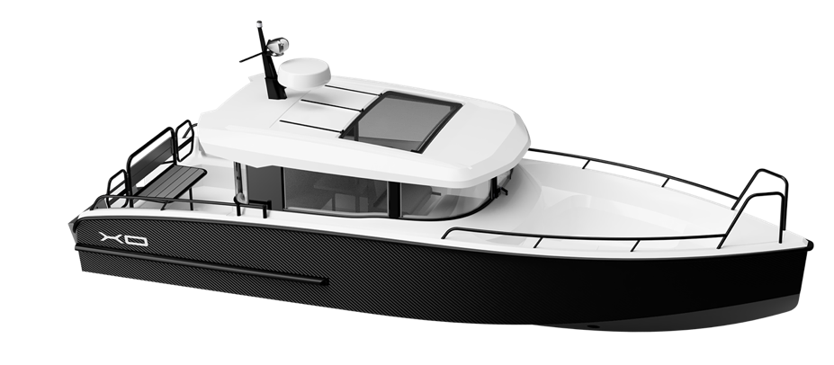
White: White hull accent, white grp deck, biscuit w/black seems Plasdeck, black line railings, light upholstery
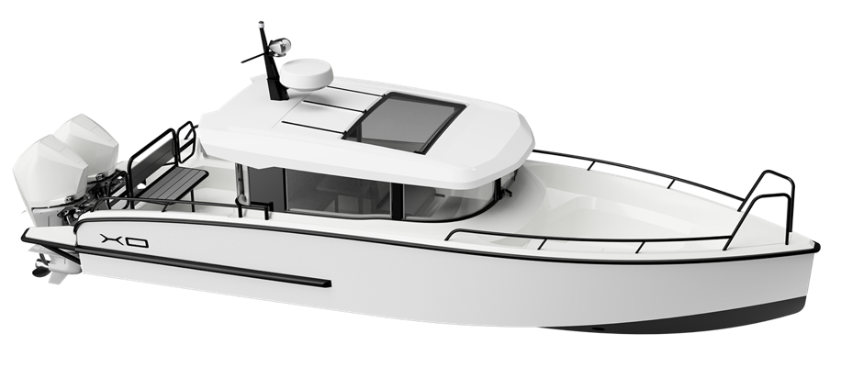
Black: Black hull accent, dark grey grp deck, biscuit w/black seems Plasdeck, black line railings, dark upholstery
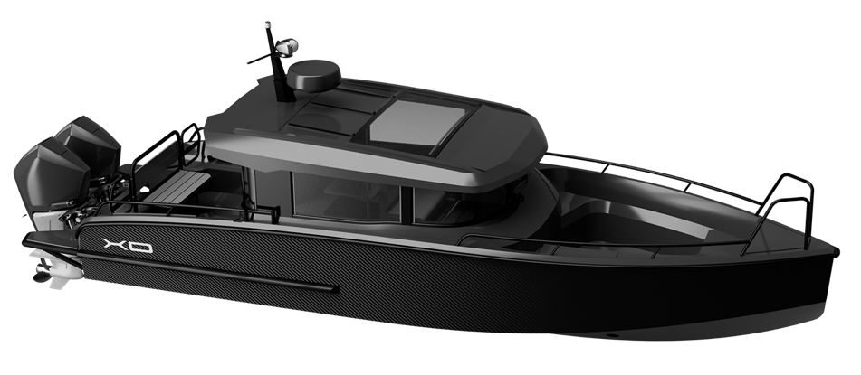

All prices in pricelist VAT 0% and ExWorks factory (end customer prices)
XO Boats reserves the rights to change or update pricing or equipment offered in this pricelist without further notice.

