DSCVR Open
XO DSCVR OPEN | VAT 0% | Units | 0 €
XO DSCVR OPEN CIN 23 | 88,900 € | 0 | 0 €

EU VERSION | 0 € | 0 | 0 €
US / CANADA VERSION | 9,500 € | 0 | 0 €

ENGINE OPTIONS
XO DSCVR With Mercury 250V8 (Black), engines installed and tested | 116,400 € | 0 | 0 €
XO DSCVR With Mercury 300V8 (Black), engines installed and tested | 118,400 € | 0 | 0 €
XO DSCVR With Mercury 350L6 (Black), engines installed and tested | 121,400 € | 0 | 0 €
XO DSCVR With Mercury 400L6 (Black), engines installed and tested | 124,400 € | 0 | 0 €
XO DSCVR With Mercury 450R (Black), engines installed and tested | 141,900 € | 0 | 0 €
Mercury Verado/Fourstroke engines, Cold Fusion White for 350/400L6 | 1,100 € | 0 | 0 €
Mercury Verado/Fourstroke engines, Cold Fusion White 250/300V8 | 1,100 € | 0 | 0 €
Pre- rigg, Mercury Verado 6 or 8 - cyl (sing) | 5,500 € | 0 | 0 €
XO DSCVR With Yamaha 300 (white), engines installed and tested (electric stearing) | 123,400 € | 0 | 0 €
XO DSCVR With Yamaha 425 (white), engines installed and tested (electric stearing) | 142,400 € | 0 | 0 €
Pre-rigg, Yamaha (sing) | 5,500 € | 0 | 0 €
Pre-rigg, Suzuki (sing) | 6,000 € | 0 | 0 €
Pre-rigg, OXE (sing) | 8,000 € | 0 | 0 €

STANDARD EQUIPMENT
LENCO MARINE TRIMPLATES
HYDRAULIC STEERING
WINDOW WIPER WITH WASHER (one on STB side)
ADJUSTABLE FULL-SUSPENSION SEAT (1), XO EXCLUSIVE, for Driver
TWIN CO-DRIVER SEAT
BOW BUMPER
HULL ACCENT, 3M CARBON COLOURS
DUAL BATTERY preparation

OPTIONS - NAVIGATION & BOAT HANDLING
SIMRAD NSS16 EVO3 + WITH EU CHART | 7,190 € | 0 | 0 €
SIMRAD NSS12 EVO3 + WITH EU CHART | 4,610 € | 0 | 0 €
SIMRAD NSX 12 | 3,800 € | 0 | 0 €
SiIMRAD OP50 REMOTE | 619 € | 0 | 0 €
SIMRAD HDI ECHOSOUNDER (includes fishfinder) | 375 € | 0 | 0 €
SIMRAD Al 3-in ECHOSAUNDER (includes fishfinder) | 619 € | 0 | 0 €
SIMRAD Halo20+ RADAR (TARGA ARC OPTION REQUAIRED) | 2,990 € | 0 | 0 €
VHF Simrad RS100B with AIS and antenna (TARGA ARC OPTION REQUAIRED) | 2,100 € | 0 | 0 €
VHF Simrad RS100B without AIS and antenna (TARGA ARC OPTION REQUAIRED) | 1,800 € | 0 | 0 €
COMPASS, Ritchie Explorer B-51 (black) | 269 € | 0 | 0 €
MENTE MARINE AUTOMATIC TRIMTAB CONTROL SYSTEM | 920 € | 0 | 0 €
BOW THRUSTER 2.0KW | 3,590 € | 0 | 0 €
MARINCO SEARCH LIGHT (TARGA ARC OPTION REQUAIRED) | 960 € | 0 | 0 €
ANCHOR WINCH IN FRONT INC. 7,5 KG ANCHOR, ROPE/ CHAIN COMPLETE SYSTEM | 4,590 € | 0 | 0 €
ANCHORING PACKAGE . 7,5 KG ANCHOR, CHAIN 3M, 30M ROPE AND CHACKLE | 870 € | 0 | 0 €
MOORING KIT SMALL, INC. XO BAG, 4 FENDERS, ROPES AND XO SOX, 4+1 MOORING ROPES, CARBINE HOOK | 790 € | 0 | 0 €
FLAGPOLE | 300 € | 0 | 0 €

OPTIONS - BOAT EQUIPMENT
WINDOW WIPER (one on Port side) | 550 € | 0 | 0 €
PLASDECK DESIGN FULL DECK | 5,300 € | 0 | 0 €
SOFT DECK PADS (collor dark gray) | 3,500 € | 0 | 0 €
D-LIST ON THE SIDE OF THE HULL 1/2 WAY | 2,300 € | 0 | 0 €
WHITE FLOOR LIGHTS | 570 € | 0 | 0 €
SHOREPOWER, 20AH CHARGER including 1x230/110v socket | 4,660 € | 0 | 0 €
TARGA ARCH | 3,900 € | 0 | 0 €
EXTRA SEATING AFT DECK WITH MATTRESS | 1,550 € | 0 | 0 €
RAILING ON AFT DECK WITH TOWING POLE | 1,390 € | 0 | 0 €
REMOVABLE SIDESEATS ON AFT DECK 2 PCS | 950 € | 0 | 0 €
ANTIFOULING BLACK | 3,400 € | 0 | 0 €

OPTIONS - COMFORT
WEBASTO AT EVO 40 Heater | 4,500 € | 0 | 0 €
WEBASTO REMOTE CONTROL SYSTEM | 700 € | 0 | 0 €
WC, ELECTRICAL WITH SEPTIC TANK | 3,100 € | 0 | 0 €
SINK AND HANDSHOWER IN WC (need water pressure system installation) | 790 € | 0 | 0 €
REFRIDGERATOR, 42L | 1,690 € | 0 | 0 €
FUSION SOUND SYSTEM, AM/FM/ipod/USB-Fusion Link, Bluetooth, Remote control unit, 4 SPEAKERS, antenna | 2,400 € | 0 | 0 €
FUSION SOUND SYSTEM Apollo, AM/FM/ipod/USB-Fusion Link, Bluetooth, Remote control unit, 6 SPEAKERS, antenna (2 ADDITIONAL SPEAKERS OUTER DECK AFT) | 3,100 € | 0 | 0 €
FUSION DAB MODULE + ANTENNA FOR DIGITAL RADIO | 340 € | 0 | 0 €
ADDITIONAL 12V SOCKET ON BB CONSOLE | 150 € | 0 | 0 €
PANTRY MODULE INC. STOVE, SINK | 2,900 € | 0 | 0 €
FRESH WATER PRESSURE SYSTEM WITH 45L TANK | 1,850 € | 0 | 0 €
HOT WATER SYSTEM 15L TO OB MODEL (WHEN SHORE POWER INSTALLED) | 1,990 € | 0 | 0 €
SHOWER HANDLE WITH MIXER (WHEN PRESS AND HOT WATER) | 380 € | 0 | 0 €
TABLE ON AFT DECK (with two pole legs) | 2,200 € | 0 | 0 €
TABLE ON AFT DECK REMOVABLE | 2,500 € | 0 | 0 € | NEW
TABLE ON FOREDECK COMPLETE | 780 € | 0 | 0 €
MATTRESSES (2) ON THE BACK OUTSIDE SIDE BENCHES | 410 € | 0 | 0 €
CARPET IN COCKPIT | 680 € | 0 | 0 €
FOREDECK CUSHIONS | 690 € | 0 | 0 €
ADJUSTABLE FULL-SUSPENSION SEAT (1), XO EXCLUSIVE, for CO-DRIVER | 2,650 € | 0 | 0 €
SUNBED MATRESS ON AFT DECK | 2,700 € | 0 | 0 €
CANOPY (black) | 2,990 € | 0 | 0 €
HARBOUR COVER ON FRONT DECK | 790 € | 0 | 0 €
HARBOUR COVER FOR COCKPIT | 1,250 € | 0 | 0 €

COLOUR COMBINATIONS (choose one)
XO Classic | 0 € | 0 | 0 €
White | 2,590 € | 0 | 0 €
Black (dark Gray) | 2,590 € | 0 | 0 €

TRANSPORTATION
Shipping metalcradle (for over sea transport) | 2,500 € | 0 | 0 €

PRICE TOTAL |  |  | 0 €

COLOUR COMBINATION ILLUSTRATIONS
XO Classic: Black hull accent, white grp, biscuit w/black seems Plasdeck, black line railings, dark upholstery
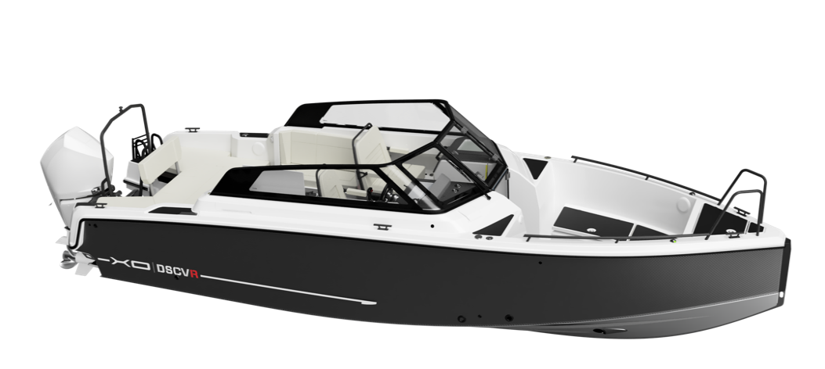
White: White hull accent, white grp deck, biscuit w/black seems Plasdeck, black line railings, light upholstery
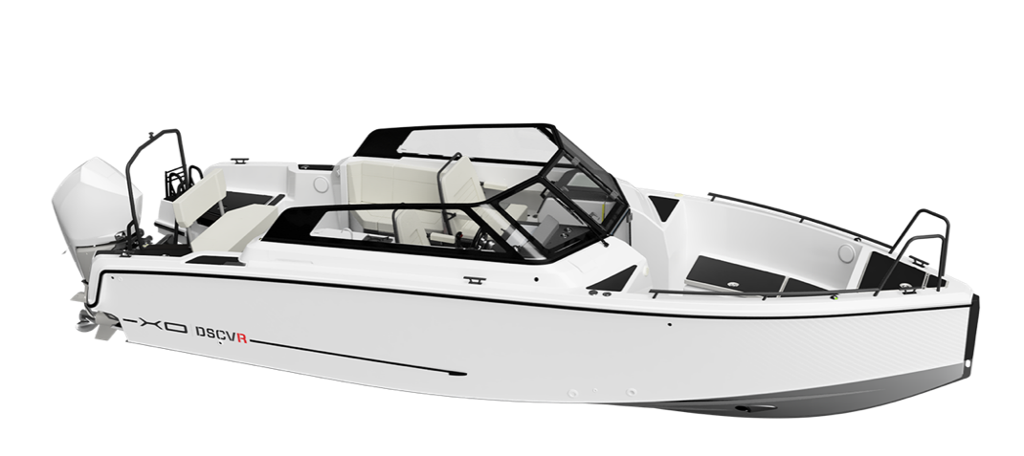
Black: Black hull accent, dark grey grp deck, biscuit w/black seems Plasdeck, black line railings, dark upholstery
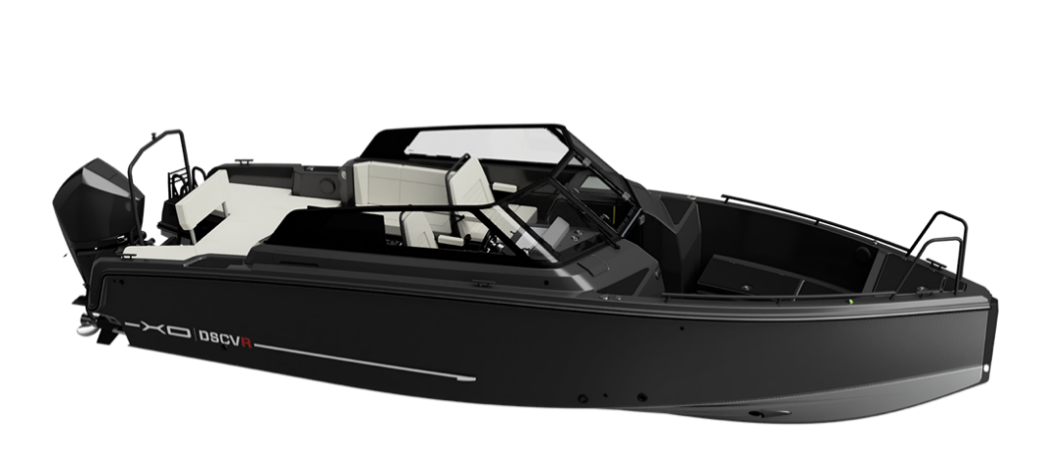

Targa (option)
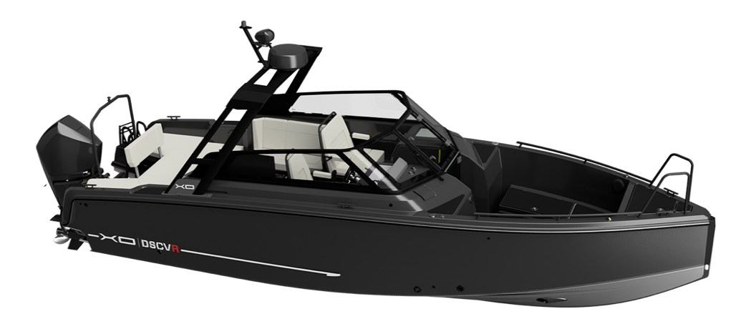
All prices in pricelist VAT 0% and ExWorks factory (end customer prices)
XO Boats reserves the rights to change or update pricing or equipment offered in this pricelist without further notice.

