Taul1
XO DFNDR 8 | VAT 0% | Units | 0 €
XO DFNDR 8 | 79,500 € | 0 | 0 €

EU VERSION | 0 € | 0 | 0 €
US / CANADA VERSION | 9,500 € | 0 | 0 €

ENGINE OPTIONS
XO DFNDR 8 with Mercury Verado 300V8 engine installed and tested | 109,000 € | 0 | 0 €
XO DFNDR 8 with Mercury Verado 350L6 engine installed and tested | 112,000 € | 0 | 0 €
XO DFNDR 8 with Mercury Verado 400L6 engine installed and tested | 115,000 € | 0 | 0 €
XO DFNDR 8 with Mercury Verado 450 Racing engine installed and tested | 132,500 € | 0 | 0 €
XO DFNDR 8 with Twin Mercury 225hp V6 engines installed and tested | 131,500 € | 0 | 0 €
Mercury Verado/Fourstroke engines, Cold Fusion White for 350/400L6 (sing) | 1,100 € | 0 | 0 €
Mercury Verado/Fourstroke engines, Cold Fusion White 250/300V8 (sing) | 1,100 € | 0 | 0 €
Pre- rigg, Mercury Verado 6 or 8 - cyl (sing) | 5,500 € | 0 | 0 €
Pre- rigg, Mercury Verado 6 or 8 - cyl (twin) | 12,000 € | 0 | 0 €
XO DFNDR 8 with Yamaha 300 (white), engines installed and tested (electric steering) | 114,000 € | 0 | 0 €
XO DFNDR 8 with Yamaha 200 twin (white), engines installed and tested | 125,500 € | 0 | 0 €
Pre- rigg, Yamaha (sing) | 6,000 € | 0 | 0 €
Pre- rigg, Yamaha (twin) | 11,000 € | 0 | 0 €

STANDARD EQUIPMENT
LENCO MARINE TRIMPLATES
HYDRAULIC POWER STEERING
STD SEAT FOR PILOT AND CO-PILOT
ADDITIONAL USB SOCKET ON CONSOLE
BOW BUMPER
WINDSCREEN WIPER for pilot (with washer)
HORN
DUAL BATTERY PREPARATION
HULL ACCENT, 3M CARBON BLACK

OPTIONS - NAVIGATION & BOAT HANDLING
SIMRAD NSS16 EVO3 + WITH EU CHART and GPS ANTENNA | 7,190 € | 0 | 0 €
SIMRAD NSS12 EVO3 + WITH EU CHART and GPS ANTENNA | 5,250 € | 0 | 0 €
SIMRAD NSX 12 + with EU CHART and GPS ANTENNA | 3,800 € | 0 | 0 €
TWIN SIMRAD NSX 9 + with EU CHART and GPS ANTENNA | 7,000 € | 0 | 0 €
SIMRAD HDI ECHOSOUNDER | 410 € | 0 | 0 €
SIMRAD Al 3-in ECHOSAUNDER | 710 € | 0 | 0 €
SIMRAD Halo20+ RADAR | 2,990 € | 0 | 0 €
SIMRAD OP50 (opion DASHBOAR ARMREST required) | 619 € | 0 | 0 € | NEW
VHF SIMRAD RS100-B (AIS) (twin antenna on Radar mast) | 2,100 € | 0 | 0 €
COMPASS, Ritchie X-21BB (black) | 239 € | 0 | 0 €
Mente Marine AUTOMATIC TRIM CONTROL SYSTEM | 890 € | 0 | 0 €
BOW THRUSTER, 2.0KW | 3,950 € | 0 | 0 €
MARINCO SEARCH LIGHT | 890 € | 0 | 0 €
HEAD FRONT LIGHT | 990 € | 0 | 0 €
BACK LIGHT | 990 € | 0 | 0 €
ANCHOR WINCH IN FRONT INC. 7,5 KG ANCHOR, ROPE/ CHAIN COMPLETE SYSTEM | 5,100 € | 0 | 0 €
ANCHORING PACKAGE . 7,5 KG ANCHOR, CHAIN 3M, 30M ROPE AND CHACKLE | 870 € | 0 | 0 €
MOORING KIT SMALL, INC. XO BAG, 4 FENDERS, ROPES AND XO SOCKS, 4+1 MOORING ROPES, CARBINE HOOK and FENDERS ORGNAISER | 790 € | 0 | 0 €
FLAGPOLE | 300 € | 0 | 0 €

OPTIONS - BOAT EQUIPMENT
CABIN AFT DECK SLIDING DOOR | 2,700 € | 0 | 0 €
MANUAL ROOF HATCH | 1,100 € | 0 | 0 €
TEXTILE ROOF HATCH (CANVAS) | 2,400 € | 0 | 0 € | NEW
WINDOW WIPER CO-PILOT SIDE (with washer) | 429 € | 0 | 0 € | NEW
SLIDING WINDOW FOR PILOT (right side) | 3,000 € | 0 | 0 €
FIXED WINDOW FOR THE PILOT (right side) | 450 € | 0 | 0 €
FIXED WINDOW FOR THE CO - PILOT (left side) | 450 € | 0 | 0 €
SOFT DECK (inner and outer deck) | 4,500 € | 0 | 0 €
COURTESY FLOOR LIGHTS | 520 € | 0 | 0 €
TOWING POLE (Water sports) | 1,100 € | 0 | 0 €
SHOREPOWER, 20AH CHARGER including 1x230/110v socket | 4,660 € | 0 | 0 €
EXTERNAL BLINDS FOR WINDSHIELD AND DOORS | 600 € | 0 | 0 €
ROOF FISHING ROD HOLDER | 720 € | 0 | 0 €
ROOF RACK | 820 € | 0 | 0 €
ANTIFOULING BLACK | 3,400 € | 0 | 0 €

OPTIONS - COMFORT
AIR CONDITION 12V (Requires central seat system with storage box) | 9,900 € | 0 | 0 €
WEBASTO WITH EVO 40 Heater | 4,100 € | 0 | 0 €
WEBASTO REMOTE CONTROL SYSTEM | 700 € | 0 | 0 €
WC, MANUAL WITH SEPTIC TANK (68L) | 1,500 € | 0 | 0 €
WC, ELECTRICAL WITH SEPTIC TANK (68L) | 2,500 € | 0 | 0 €
FRESH WATER SYSTEM WITH 48L TANK AND SINK IN WC | 1,500 € | 0 | 0 €
SHOWER IN TRANSOM HANDLE WITH MIXER (Requires water pressure system/ only cold water) | 390 € | 0 | 0 €
REFRIDGERATOR (Requires side seats system) | 1,500 € | 0 | 0 €
FUSION SOUND SYSTEM, AM/FM/ipod/USB-Fusion Link, Bluetooth, Remote control unit, 2 SPEAKERS, antenna | 2,350 € | 0 | 0 €
FUSION SOUND SYSTEM, AM/FM/ipod/USB-Fusion Link, Bluetooth, Remote control unit, 4 SPEAKERS, antenna | 3,000 € | 0 | 0 €
FUSION DAB MODULE + ANTENNA FOR DIGITAL RADIO | 290 € | 0 | 0 €
CABIN TABLE (Requires side seats system) | 720 € | 0 | 0 €
SIDE SEATS SYSTEM WITH BIG STORAGE BOXES AND WITH MATTRESS FOR CABIN SOFA (left and right) | 2,900 € | 0 | 0 €
BED EXTENTION INSIDE THE CABIN (EXTRA STORAGE SPACE BEHIND THE BACKRESTS) | 1,100 € | 0 | 0 €
FOREDECK SUN BED CUSHIONS (color options) | 1,350 € | 0 | 0 €
EXTRA SEATING AFT DECK WITH MATTRESSES (color option) | 1,980 € | 0 | 0 € | NEW
CARPET ON THE COCKPIT DECK | 390 € | 0 | 0 €
SIDE WALL CANOPY SYSTEM | 2,200 € | 0 | 0 €
AFT WALL CANOPY COVER | 1,200 € | 0 | 0 €
RAIN COVERS FOR DRIVER AND CO-PILOT SEATS (2 unit) | 300 € | 0 | 0 €
FOREDECK AND AFTDECK SUNSHADE SYSTEM | 1,590 € | 0 | 0 €
XO ORGANIZER in front of driver seat | 130 € | 0 | 0 €
SUN GLASSES GLOVE BOX IN THE BOAT | 250 € | 0 | 0 €
ADJUSTABLE FULL-SUSPENSION SEAT (1), XO EXCLUSIVE, for PILOT | 2,650 € | 0 | 0 €
ADJUSTABLE FULL-SUSPENSION SEAT (1), XO EXCLUSIVE, for CO-DRIVER | 2,650 € | 0 | 0 €
DROPSIDE FENDERS (2 on both sides left and right) | 3,000 € | 0 | 0 € | NEW
LIFE JACKET WITH XO LOGO | 150 € | 0 | 0 €
DRINK HOLDERS ON THE TOILET DOOR | 190 € | 0 | 0 €
DASHBOARD ARMREST | 620 € | 0 | 0 €
SIDESEATS ON AFT DECK 2 PCS | 880 € | 0 | 0 €
TWO ADDITIONAL CLEATS MIDSHIP | 750 € | 0 | 0 €
WIRELESS CHARGER (option DASHBOARD ARMREST required) | 400 € | 0 | 0 € | NEW

COLOUR COMBINATIONS (choose one)
XO CLASSIC | 0 € | 0 | 0 €
XO SPORT | 2,590 € | 0 | 0 €

COLOUR COMBINATIONS UPHOLSTERY (choose one)
COMBINATION IS FOR: CENTRAL SEAT SYSTEM, EXTRA SEATING AFT DECK, FOREDECK SUN BED AND AFT SUNBED SYSTEM
ANTHRACITE | 0 € | 0 | 0 €
CITRUS | 600 € | 0 | 0 €
MELON | 600 € | 0 | 0 €

TRANSPORTATION
Shipping metalcradle (for over sea transport) | 2,500 € | 0 | 0 €

PRICE TOTAL |  |  | 0 €

COLOUR COMBINATION ILLUSTRATIONS
XO CLASSIC: Black 3M hull accent, light gray grp deck, roof with same grp as deck
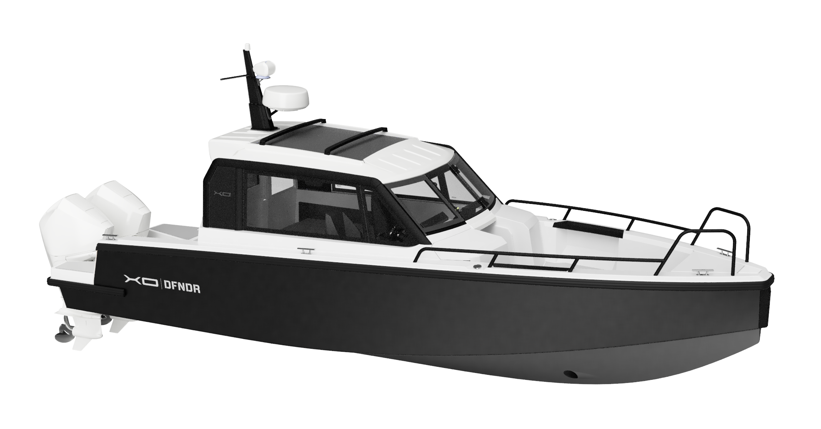
XO SPORT: Silver 3M hull accent, light gray grp deck, roof with dark gray 3M film

All prices in pricelist VAT 0% and ExWorks factory (end customer prices)
XO Boats reserves the rights to change or update pricing or equipment offered in this pricelist without further notice.

